Sheet1
 | TASK | Predecessors | Time (days)
A | Surveys | - | 2
B | Interviews | A | 5
C | Data Analysis | B | 4 |  | A |  |  | B |  |  | C
D | Use case diagram | C | 3 |  | 2 | 0 | 2 | 5 | 2 | 7 | 4 | 7 | 11 | Slack=0
E | UI Diagram | D | 3 |  |  | 0 | 2 |  | 2 | 7 |  | 7 | 11
F | Schema Design | E | 8 |  |  | Slack=0 |  |  | Slack=0
G | ERD | F | 5
H | DB design | G | 6
I | UI/UX design | H | 15 |  | F |  |  | E |  |  | D
J | Backend development | I | 20 | Slack=0 | 8 | 17 | 25 | 3 | 14 | 17 | 3 | 11 | 14 | Slack=0
K | Integration of components | J | 7 |  |  | 17 | 25 |  | 14 | 17 |  | 11 | 14
L | Testing and usability | K | 10 |  |  |  |  |  | Slack=0
M | Debugging | L | 5
N | QA | M | 18
O | Deployment | N | 3 |  | G |  |  | H |  |  | I
P | Installation | O | 4 |  | 5 | 25 | 30 | 6 | 30 | 36 | 15 | 36 | 51 | Slack=0
Q | Feedback | P | 2 |  |  | 25 | 30 |  | 30 | 36 |  | 36 | 51
 |  |  |  |  |  | Slack=0 |  |  | Slack=0

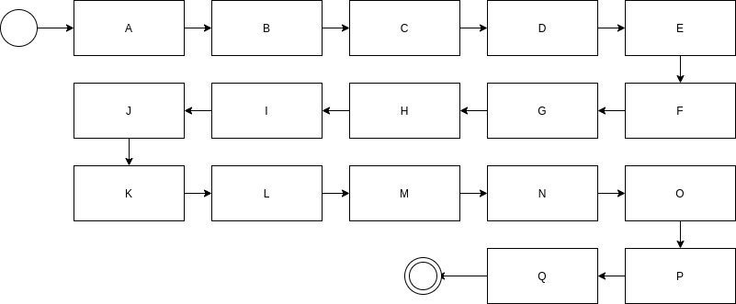
 |  |  |  |  | L |  |  | K |  |  | J
 |  |  |  | Slack=0 | 10 | 78 | 88 | 7 | 71 | 78 | 20 | 51 | 71 | Slack=0
 |  |  |  |  |  | 78 | 88 |  | 71 | 78 |  | 51 | 71
 |  |  |  |  |  |  |  |  | Slack=0

 |  |  |  |  | M |  |  | N |  |  | O
 |  |  |  |  | 5 | 88 | 93 | 18 | 93 | 111 | 3 | 111 | 114 | Slack=0
 |  |  |  |  |  | 88 | 93 |  | 93 | 111 |  | 111 | 114
 |  |  |  |  |  | Slack=0 |  |  | Slack=0

 |  |  |  |  |  |  |  | Q |  |  | P
 |  |  |  |  |  |  |  | 2 | 118 | 120 | 4 | 114 | 118
 |  |  |  |  |  |  |  |  | 118 | 120 |  | 114 | 118
 |  |  |  |  |  |  |  |  | Slack=0 |  |  | Slack=0

